Case #1
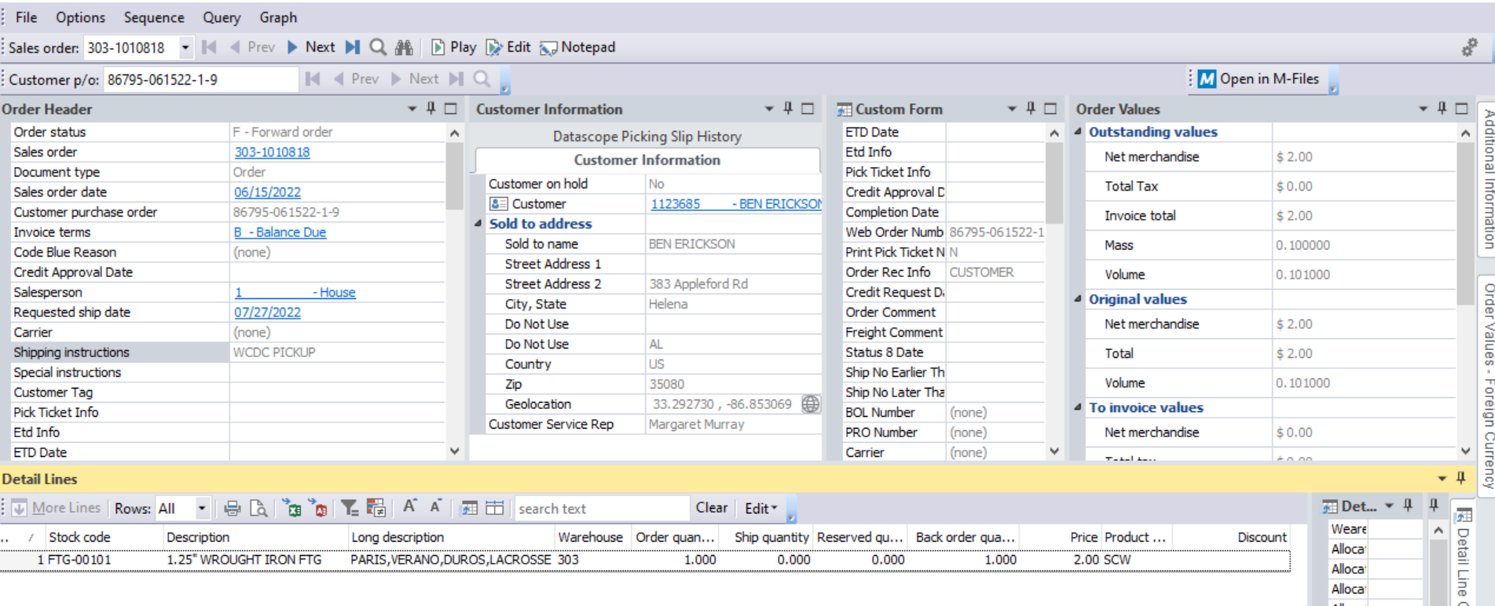
Justin Pope Dev Test
Test Case No. |  | 1
Process |  | execute eCat order import/export
Test Consideration |  | 1) Deploy new version of the service to 7syspro 2) drop eCat order json files within the correct directory 3) varify in Syspro the data came over correctly
Test Condition |  |  | Data Used | How To Verify | Actual Results
Tasks
1 |  | add json files into the ecat processing directory | json files used: testorder7-20220615 testorder8-20220615 testorder9-20220615
2 |  | Once the files are placed, the service will automatically pick them up. Go to syspro to varify the order information. | order: 303-1010816 303-1010817 303-1010818 | 1) logon to syspro and look up the order using the customer po number from the json 2) query sql for log file and the staged SORTOI document | screen shots below
Configuration/Data Setup for Testing Scenario
1 |  | deploy service to 7syspro
2 |  | run sql scripts for new procedures, tables and access permissions

Verification

Test Cast Screens Shots Before and After

 | Order | 303-1010816
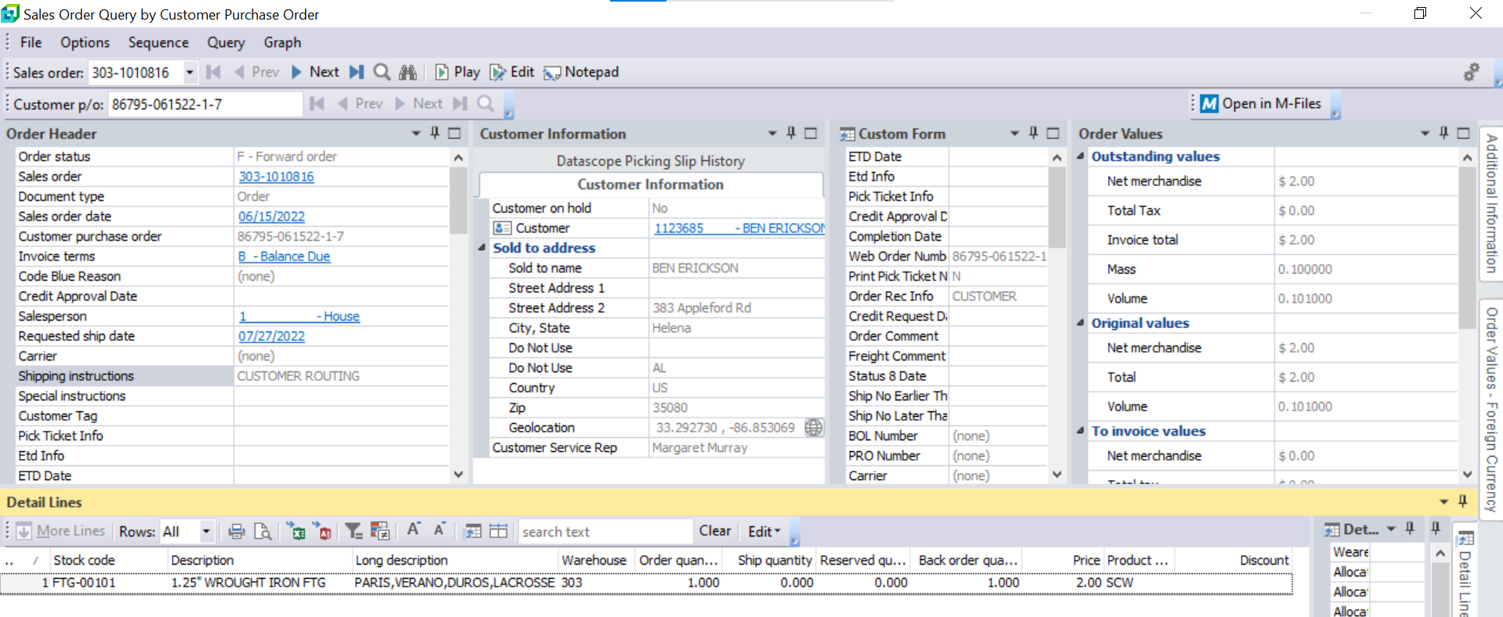

 |  | 303-1010817
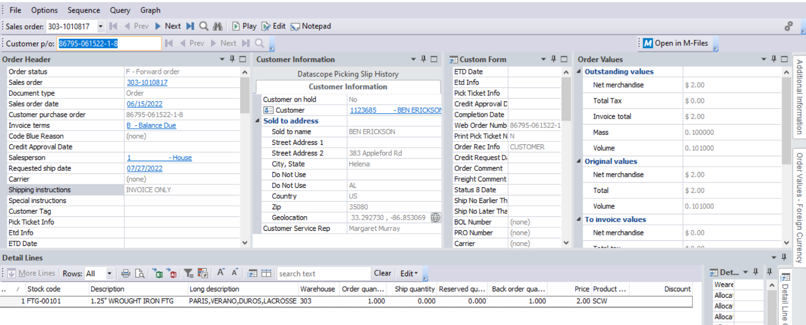

 |  | 303-1010818

